SF to Water Converter-Broad
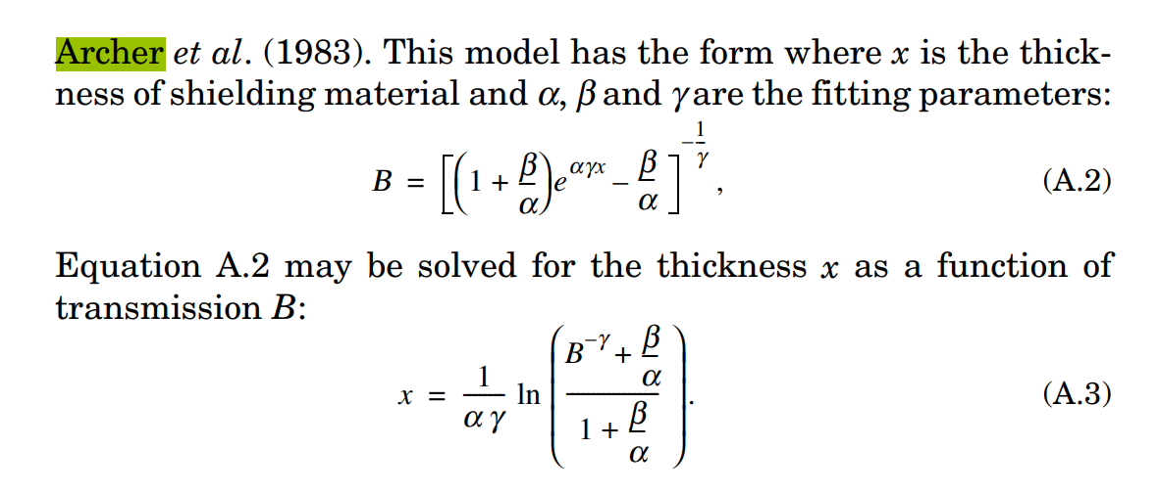
Thickness Conversion Between Superflab and Water for a Broad FOV (25.4 cm by 25.4 cm):
Superflab Thickness (cm) | Water Equivalent Thickness at 75 kVp (cm) | Water Equivalent Thickness at 95 kVp (cm) | Water Equivalent Thickness at 115 kVp (cm)
2.50 | 3.73 | 3.57 | 3.26

Water Thickness (cm) | Superflab Equivalent Thickness at 75 kVp (cm) | Superflab Equivalent Thickness at 95 kVp (cm) | Superflab Equivalent Thickness at 115 kVp (cm)
3.73 | 2.50 | 2.62 | 2.88

Archer fitting parameters for a broad FOV (25.4 cm by 25.4 cm)
Superflab | Alpha | Beta | Gamma
75kVp | 0.188165 | 0.158137 | 1.5
95kVp | 0.166916 | 0.080993 | 1.5
115 kVp | 0.155229 | 0.041331 | 1.5
Water | Alpha | Beta | Gamma
75kVp | 0.167523 | 0.036159 | 1.5
95kVp | 0.153335 | 0.002367 | 1.5
115 kVp | 0.141607 | 7.15E-16 | 1.5

Reference: The Archer equations from the NCRP 147, Appendix A, Page 117:

